Instructions
State Benchmarks of Quality: Implementing the Pyramid Model Statewide Version 3.0

Workbook version 3.0, developed June 2025
Developed by: Myrna Veguilla Figueroa, MSMS, MPH
Questions/Concerns: veguilla@usf.edu
Click here for data entry tutorial

Type in the Date of when the BoQ was completed.
Instructions
Data Entry Tab
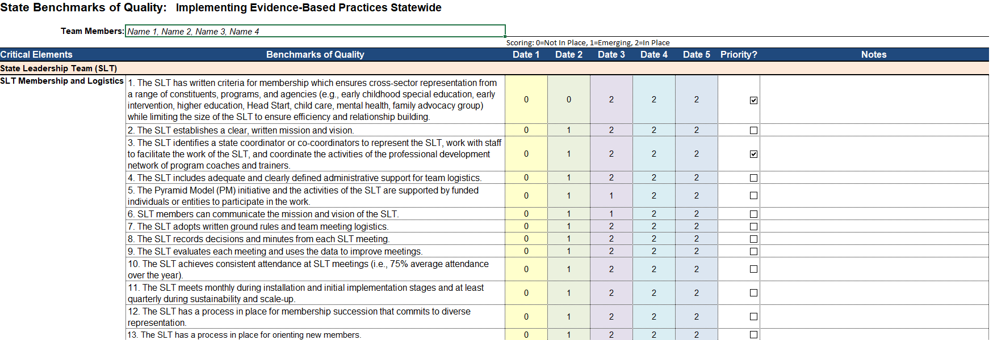
Enter a rating of either 0, 1, or 2 for each benchmark.
Enter team member names.

Select the checkbox if the benchmark is a priority.

Enter any relevant notes for each benchmark.

Summary Tab
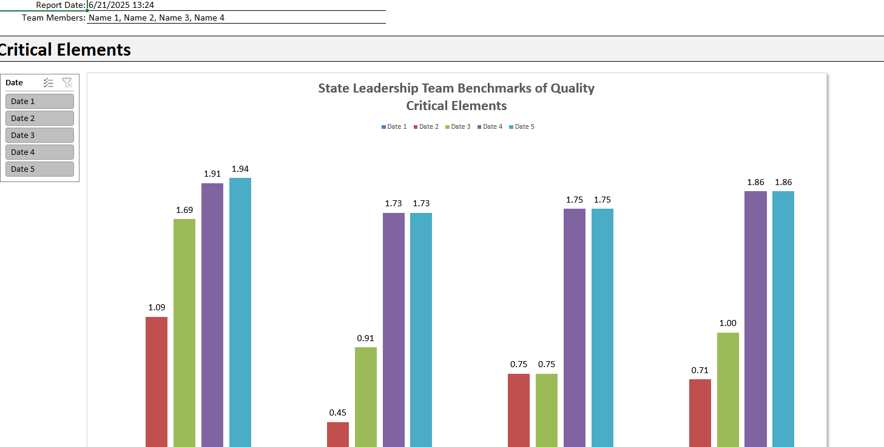
Always refresh data after any data entry.
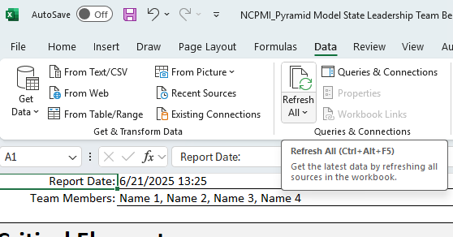

Use the filter to clear all, use the checkmarks to select/de-select dates.

Summary
Report Date: | 7/7/25
Team Members: | 0

Critical Elements
State Leadership Team Benchmarks of QualityCritical Elements

 |  | Dates
 | Critical Elements | Date 1 | Date 2 | Date 3 | Date 4 | Date 5
 | State Leadership Team | 0.00 | 0.00 | 0.00 | 0.00 | 0.00
 | Professional Development of Trainers and Program Implementation Coaches | 0.00 | 0.00 | 0.00 | 0.00 | 0.00
 | Implementation Programs and Community-Wide Implementation | 0.00 | 0.00 | 0.00 | 0.00 | 0.00
 | Data and Evaluation | 0.00 | 0.00 | 0.00 | 0.00 | 0.00
State Benchmarks of Quality

 |  | Date 1 | Date 2 | Date 3 | Date 4 | Date 5
 | Not in Place | 0% | 0% | 0% | 0% | 0%
 | Emerging | 0% | 0% | 0% | 0% | 0%
 | In Place | 0% | 0% | 0% | 0% | 0%

 | Date | Not In Place | Emerging | In Place
 | Date 1 | 0 | 0 | 0
 | Date 2 | 0 | 0 | 0
 | Date 3 | 0 | 0 | 0
 | Date 4 | 0 | 0 | 0
 | Date 5 | 0 | 0 | 0

0=not in place | Benchmark Status
1=emerging, 2=in place | (blank)
 | 1. The SLT has written criteria for membership which ensures cross-sector representation from a range of constituents, programs, and agencies (e.g., early childhood special education, early intervention, higher education, Head Start, child care, mental health, family advocacy group) while limiting the size of the SLT to ensure efficiency and relationship building.
 | 10. The SLT achieves consistent attendance at SLT meetings (i.e., 75% average attendance over the year).
 | 11. The SLT meets monthly during installation and initial implementation stages and at least quarterly during sustainability and scale-up.
 | 12. The SLT has a process in place for membership succession that commits to diverse representation.
 | 13. The SLT has a process in place for orienting new members.
 | 14. SLT develops an action plan that includes goals and objectives related to all critical elements of these benchmarks. The action plan guides the work of the SLT and the work groups.
 | 15. The SLT reviews the action plan and updates its progress regularly.
 | 16. The SLT develops a written statewide sustainability and scale-up plan based on the four essential structures.
 | 17. The SLT action and sustainability plans include strategies for integrating the PM into state early childhood infrastructures or processes (e.g., Quality Rating Systems, Early Learning Guidelines, higher education).
 | 18. The SLT reviews its SBoQ, SLT Checklist of Sustainability Features, and Sustainability and Scale-up Plan annually. Other documents can be reviewed and updated annually depending on SLT priorities and action plans. These can include the mission and vision statement, SLT membership, ground rules, and logistics.
 | 19. The SLT and implementing sectors identify funding sources to cover activities that adhere to the sustainability and scale-up plan.
 | 2. The SLT establishes a clear, written mission and vision.
 | 20. The SLT develops an annual evaluation report of the progress and outcome data and distributes it to all implementing sectors, professional development network, programs, funders, families, and policymakers.
 | 21. The SLT identifies and implements dissemination strategies to ensure that constituents are aware of activities and accomplishments (e.g., website, newsletter, conferences).
 | 22. The SLT develops a written awareness and communication plan that includes presentations based on annual evaluation report. The presentations are shared with policymakers and potential funders and support recruiting programs and individuals to participate in the PM initiative.
 | 23. Each SLT representative is authorized to make decisions for their agency related to the PM initiative or is able to return a decision to the SLT within a reasonable timeframe agreed upon by the SLT.
 | 24. SLT members are responsible for sharing the SLT activities with their agency to support the PM initiative (e.g., training opportunities, presenting annual reports, orientation presentations).
 | 25. SLT members are responsible for communicating their agency initiatives and sector implementation progress, challenges, and successes to the SLT.
 | 26. The SLT develops written communication protocols for regular feedback and data sharing from Program Implementation Coaches (PICs), trainers, implementation sites, and communities.
 | 27. The SLT includes representation from family organizations.
 | 28. The SLT identifies and supports sectors to make PM family training opportunities available to families.
 | 29. The SLT coordinates with member agencies to develop mechanisms for family members to provide feedback at least annually on the quality of PM implementation experienced by their children and their family. SLT uses responses to support local implementation.
 | 3. The SLT identifies a state coordinator or co-coordinators to represent the SLT, work with staff to facilitate the work of the SLT, and coordinate the activities of the professional development network of program coaches and trainers.
 | 30. The SLT coordinates with member agencies to make family-related training materials and communications available in the home languages of the families supported by implementation programs.
 | 31. Cross-sector agencies of the SLT contribute resources for the work of the action plan (e.g., staffing, materials, training, cultural adaptations, language translations) and statewide implementation.
 | 32. The SLT serves as a coordinating body across sectors, with each sector reporting its progress to the SLT. Each implementing sector can develop its own Sector Planning and Implementation Team (SPLIT) to guide sector-specific action plans.
 | 33. The SLT clearly defines and develops roles and responsibilities for trainers and PICs.
 | 34. The SLT develops and implements a quality assurance mechanism to maintain up-to-date and effective training and technical assistance in PM implementation.
 | 35. The SLT implements and monitors a plan ensuring that programs and communities statewide can access PM training and coaching.
 | 36. The SLT establishes and coordinates a statewide network of high-quality PM trainers to build and sustain implementation.
 | 37. The SLT establishes written procedures for the recruitment and identification (including acceptance criteria) of Trainers. Trainers sign written agreements that specify their training activities and commitments.
 | 38. The SLT develops and coordinates a statewide PM training sequence that includes providing ongoing training and support to trainers.
 | 39. The SLT establishes and coordinates a statewide network of high-quality PICs to build and sustain PM implementation.
 | 4. The SLT includes adequate and clearly defined administrative support for team logistics.
 | 40. The SLT establishes written procedures for the recruitment and identification (including acceptance criteria) of PICs. PICs sign written agreements that specify their activities and commitments.
...
0=not in place | Benchmark Status
 | 57. The SLT has a process in place using data for ongoing continuous improvement and evaluation of statewide implementation.
 | 58. The SLT provides an annual public celebration of outcomes and accomplishments.
 | 59. Each sector implementing the PM establishes a system to track its data and conduct evaluation activities. The Sector Planning and Implementation Team (SPLIT) will report its progress to the SLT. The SLT serves as a coordinating body across all sectors/agencies.
 | 6. SLT members can communicate the mission and vision of the SLT.
 | 7. The SLT adopts written ground rules and team meeting logistics.
 | 8. The SLT records decisions and minutes from each SLT meeting.
 | 9. The SLT evaluates each meeting and uses the data to improve meetings.

Sub Elements

State Leadership Team Benchmarks of Quality Sub Elements
 | Date 4 | Date 5 | Date 1 | Date 2 | Date 3
SLT Membership and Logistics | 0.00 | 0.00 | 0.00 | 0.00 | 0.00
SLT Action Planning | 0.00 | 0.00 | 0.00 | 0.00 | 0.00
SLT Sustainability and Scale Up Planning | 0.00 | 0.00 | 0.00 | 0.00 | 0.00
SLT Communication and Visibility | 0.00 | 0.00 | 0.00 | 0.00 | 0.00
SLT Authority, Priority, and Communication Linkages | 0.00 | 0.00 | 0.00 | 0.00 | 0.00
Family Participation and Communication | 0.00 | 0.00 | 0.00 | 0.00 | 0.00
Additional SLT Coordination | 0.00 | 0.00 | 0.00 | 0.00 | 0.00
PDN of Trainers and Program Implementation Coaches (PICs) | 0.00 | 0.00 | 0.00 | 0.00 | 0.00
PDN of Trainers | 0.00 | 0.00 | 0.00 | 0.00 | 0.00
PDN of Program Implementation Coaches (PICs) | 0.00 | 0.00 | 0.00 | 0.00 | 0.00
Implementation Programs | 0.00 | 0.00 | 0.00 | 0.00 | 0.00
Community-Wide Implementation | 0.00 | 0.00 | 0.00 | 0.00 | 0.00
Additional Implementation Coordination | 0.00 | 0.00 | 0.00 | 0.00 | 0.00
Data-Informed Decision Making | 0.00 | 0.00 | 0.00 | 0.00 | 0.00
Additional Data Coordination | 0.00 | 0.00 | 0.00 | 0.00 | 0.00

 |  | Date
 | Sub-Elements | Date 4 | Date 5 | Date 1 | Date 2 | Date 3
 | SLT Membership and Logistics | 0.00 | 0.00 | 0.00 | 0.00 | 0.00
 | SLT Action Planning | 0.00 | 0.00 | 0.00 | 0.00 | 0.00
 | SLT Sustainability and Scale Up Planning | 0.00 | 0.00 | 0.00 | 0.00 | 0.00
 | SLT Communication and Visibility | 0.00 | 0.00 | 0.00 | 0.00 | 0.00
 | SLT Authority, Priority, and Communication Linkages | 0.00 | 0.00 | 0.00 | 0.00 | 0.00
 | Family Participation and Communication | 0.00 | 0.00 | 0.00 | 0.00 | 0.00
 | Additional SLT Coordination | 0.00 | 0.00 | 0.00 | 0.00 | 0.00
...

