INSTRUCTIONS
Program Summary of Classroom Coaching
version 2.2
revised October, 2020
Developed by: Myrna Veguilla, MSMS, MPH
Questions/Concerns: veguilla@usf.edu

The program summary of classroom coaching spreadsheet, is used to compile coach data across all coaches (copy and paste individual log data into this spreadsheet). These data provide the leadership team with a summary of the coaching effort and strategies used within the program. Data are provided on the time and strategies used across all coaches and teachers. For individual coaching data, please use the Classroom Coaching Log to enter data. That log is designed for use by one coach who might coach multiple teachers.

Click here for data entry tutorial

Instructions

Open Classroom Coaching Log

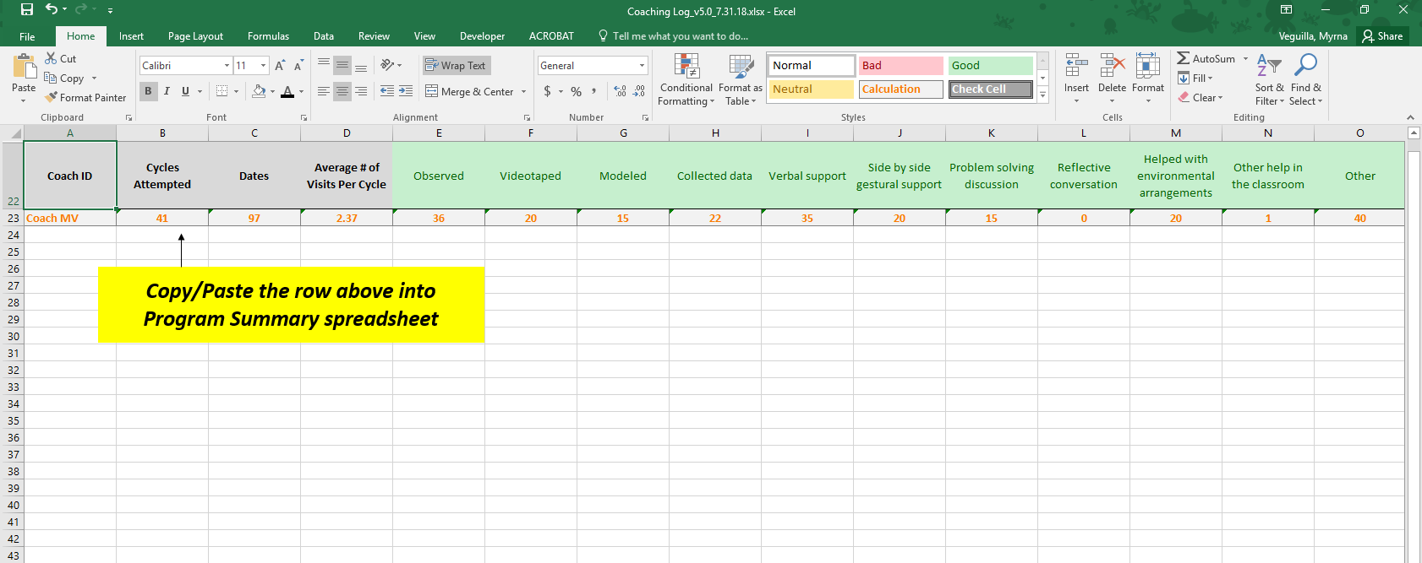

Open an individual coaching log to copy the coach summary data.

 |  | Make sure you navigate to the "Cumulative Data" tab.

Copy invidual coaching data

 | Select row 23 by clicking on the row and selecting "Copy"

Paste into the row on the "Cumulative Data" tab in this spreadsheet

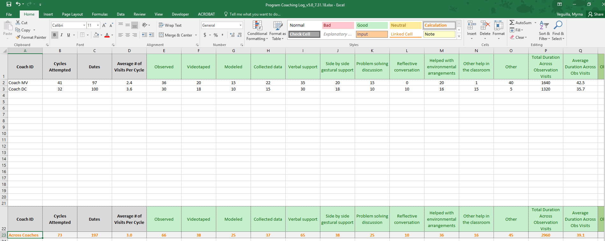

 | Paste data into the row. One row = One coach's data

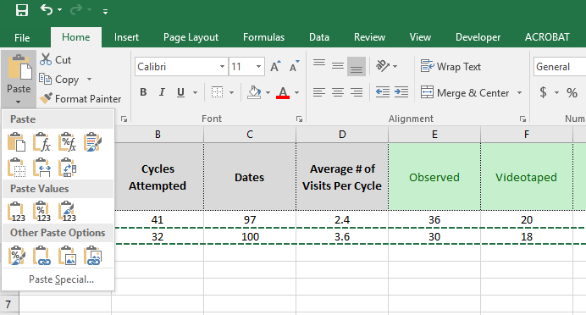
 | Make sure you select to Paste Values only!

 | This is a summary across all coaches.

Questions? Email Myrna Veguilla, veguilla@usf.edu.

Coach Summary
Coach Summary
Select Coach ID: |  | Coach ID
 | Action Plan Goals | (blank)
 | Total # of Action Plan Goals Written
 | Average # of Action Plan Goals Written
 | Total # of Action Plan Goals Completed
 | Average # of Action Plan Goals Completed

 | Coach ID | % of Action Plan Goals Completed
 | (blank) | #DIV/0!

Action Planning
 | (blank)
Total # of Action Plan Goals Written
Average # of Action Plan Goals Written
Total # of Action Plan Goals Completed
Average # of Action Plan Goals Completed
Percent of Action Plan Goals Completed
Refresh your data each time after entering data! Click on the table to the left, the Analyze tab will display above, click on Analyze, select the down arrow for Refresh. Click on Refresh All. Or on your keyboard press: CTRL+ALT+F5.

Summary | Coach ID | # of Attempted Cycles | # of Completed Cycles | % Completed Cycles | Average # of Completed Cycles | Total Duration Across Focused Observations | Average Duration Across Focused Observations | Total Debriefing Duration | Average Debriefing Duration
 | (blank) |  |  | #DIV/0!

Observation Strategies |  | Coach ID
 | Observation Strategy | (blank)
 | % Observed | #DIV/0!
 | % Videotaped | #DIV/0!
 | % Modeled | #DIV/0!
 | % Collected Data | #DIV/0!
 | % Verbal Support | #DIV/0!
 | % Side by Side Gestural Support | #DIV/0!
 | % Problem Solving Discussion | #DIV/0!
 | % Reflective Conversation | #DIV/0!
 | % Helped w/ Environmental Arrangements | #DIV/0!
 | % Other Help in the Classroom | #DIV/0!
 | % Other | #DIV/0!

Observation Strategies Used Across All Coaching Cycles by Coach ID

Debriefing Strategies |  | Coach ID
 | Debriefing Strategy | (blank)
 | % Problem solving discussion | #DIV/0!
 | % Reflective conversation | #DIV/0!
 | % Helped with environmental arrangements | #DIV/0!
 | % Role play | #DIV/0!
 | % Constructive feedback | #DIV/0!
 | % Goal setting/action planning | #DIV/0!
 | % Supportive feedback | #DIV/0!
 | % Material provision | #DIV/0!
 | % Demonstration | #DIV/0!
 | % Individual child support | #DIV/0!
 | % Other | #DIV/0!

Debriefing Strategies Used Across All Coaching Cycles by Coach ID

Program Summary
Program Summary
 | Action Plan Goals |  | % of Action Plan Goals Completed |  |  | Refresh your data each time after entering data! Click on the table to the left, the Analyze tab will display above, click on Analyze, select the down arrow for Refresh. Click on Refresh All. Or on your keyboard press: CTRL+ALT+F5.
 | Total # of Action Plan Goals Written | 0 | #DIV/0!
 | Average # of Action Plan Goals Written | #DIV/0!
 | Total # of Action Plan Goals Completed | 0
 | Average # of Action Plan Goals Completed | #DIV/0!

Action Planning
 | (blank)
Total # of Action Plan Goals Written
Average # of Action Plan Goals Written
Total # of Action Plan Goals Completed
Average # of Action Plan Goals Completed
Percent of Action Plan Goals Completed
 | Total
(blank) | #N/A

 | Program Summary | # of Coaching Cycles Attempted | # of Coaching Cycles Completed | % Completed Cycles | Average # of Completed Cycles | Total Duration Across Focused Observations | Average Duration Across Focused Observations | Total Debriefing Duration | Average Debriefing Duration | Total # of Goals | Total # Goals Completed | % Goals Completed
 | Across Coaches | 0 | 0 | #DIV/0! | #DIV/0! | 0 | #DIV/0! | 0 | #DIV/0! | 0 | 0 | #DIV/0!

Observation Strategies |  | Summary
 | Observation Strategy | Across Coaches
 | % Observed | #DIV/0!
 | % Videotaped | #DIV/0!
 | % Modeled | #DIV/0!
 | % Collected Data | #DIV/0!
 | % Verbal Support | #DIV/0!
 | % Side by Side Gestural Support | #DIV/0!
 | % Problem Solving Discussion | #DIV/0!
 | % Reflective Conversation | #DIV/0!
 | % Helped w/ Environmental Arrangements | #DIV/0!
 | % Other Help in the Classroom | #DIV/0!
 | % Other | #DIV/0!

Observation Strategies Used Across All Coaching Cycles by All Coaches

Debriefing Strategies |  | Summary
 | Debriefing Strategy | Across Coaches
 | % Problem Solving Discussion | #DIV/0!
 | % Reflective Conversation | #DIV/0!
 | % Helped w/ Environmental Arrangements | #DIV/0!
 | % Role Play | #DIV/0!
 | % Constructive Feedback | #DIV/0!
 | % Goal Setting/Action Planning | #DIV/0!
 | % Supportive Feedback | #DIV/0!
 | % Material Provision | #DIV/0!
 | % Demonstration | #DIV/0!
 | % Individual Child Support | #DIV/0!
 | % Other | #DIV/0!
Debriefing Strategies Used Across All Coaching Cycles By All Coaches

