Instructions
Teaching Pyramid Observation Tool
version 3.0
January 2022
Developed by: Myrna Veguilla, MSMS, MPH
Questions/Concerns: veguilla@usf.edu
Click to view data entry tutorial
 | Instructions
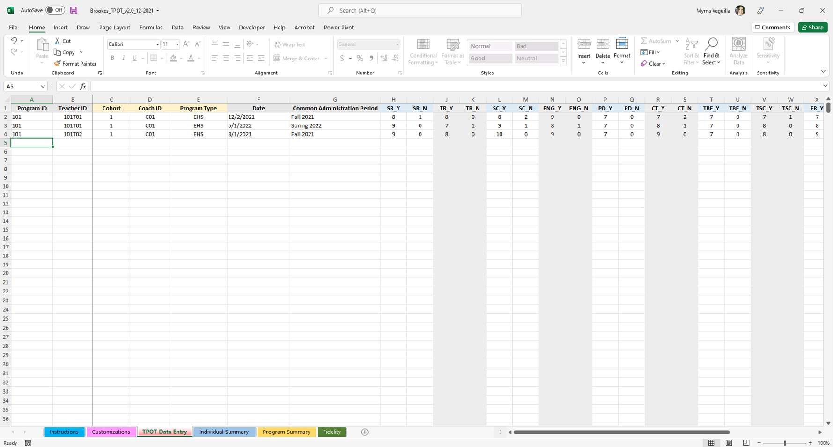

 |  |  |  | Cohort, Coach ID and Program Type are explained in the next tab. If you are not going to use these fields, skip these columns and continue with the Date.

 |  |  |  | Common Administration Period: explained on the Customization tab. You will use the drop down menu to select.

 |  |  |  | Data columns: Each column is labeled by the item ID (Key Practice ID) followed by Y for Yes and N for No. Enter the total number of indicators scored Yes in the Y column for that key practice and the total number of indicators scored No in the N column for that key practice.

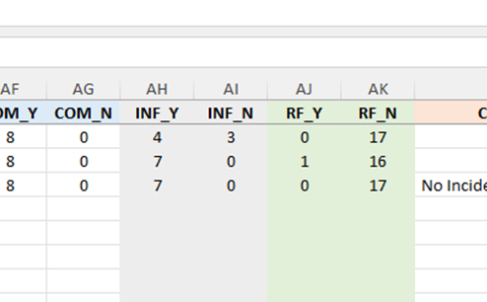
 | Red Flags

 |  |  | Red Flags: Enter the number of Red Flags scored Yes in the RF_Y column and enter the number of Red Flags scored No in the RF_N column.

 | Challenging Behavior
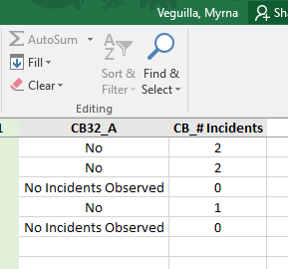
 |  | Column CB32_A: use the dropdown list to select the final score (Yes, No, No Incidents Observed).

 |  | Column CB_#Incidents: type in the total number of incidents observed. If no incidents were observed, type in 0.

Individual Summary
Individual Teacher Summary

Select a Teacher ID: |  | Teacher ID_Date | Refresh your data each time after entering data! Click on the table to the left, the Analyze tab will display above, click on Analyze, select the down arrow for Refresh. Click on Refresh All. Or on your keyboard press: CTRL+ALT+F5.
 |  | (blank)
 | Key Practices | (blank)
 | Schedules, Routines, and Activities
 | Transitions Between Activities are Appropriate
 | Teachers Engage in Supportive Conversations with Children
 | Promoting Children's Engagement
 | Providing Directions
 | Collaborative Teaming
 | Teaching Behavior Expectations
 | Teaching Social Skills and Emotional Competencies
 | Teaching Friendship Skills
 | Teaching Children to Express Emotions
 | Teaching Problem Solving
 | Interventions for Children with Persistent Challenging Behavior
 | Connecting with Families
 | Supporting Family Use of the Pyramid Model Practices
 | Average Across Key Practices
Percentage of Indicators Observed by Key Practice
 | (blank) - (blank)
Schedules, Routines, and Activities
Transitions Between Activities are Appropriate
Teachers Engage in Supportive Conversations with Children
Promoting Children's Engagement
Providing Directions
Collaborative Teaming
Teaching Behavior Expectations
Teaching Social Skills and Emotional Competencies
Teaching Friendship Skills
Teaching Children to Express Emotions
Teaching Problem Solving
Interventions for Children with Persistent Challenging Behavior
Connecting with Families
Supporting Family Use of the Pyramid Model Practices
Average Across Key Practices

Red Flags | Total # of Red Flags Present | Teacher ID
 | Administration Period | (blank)
 | (blank)
 | Grand Total

Total Number of Red Flags
 | (blank)
(blank)

Challenging Behavior |  | Teacher ID
 | Challenging Behavior | (blank)
 | # of Incidents Observed
 | (blank)
 | All essential strategies used - Yes
 | (blank) | 0
 | All essential strategies used - No
 | (blank) | 0
 | No Incidents Observed
 | (blank) | 0
 | Total # of Incidents Observed
 | Total All essential strategies used - Yes | 0
 | Total All essential strategies used - No | 0
 | Total No Incidents Observed | 0

Program Summary
Program Summary

 |  | Administration Period
 | Key Practices | (blank) | Refresh your data each time after entering data! Click on the table to the left, the Analyze tab will display above, click on Analyze, select the down arrow for Refresh. Click on Refresh All. Or on your keyboard press: CTRL+ALT+F5.
 | Schedules, Routines, and Activities
 | Transitions Between Activities are Appropriate
 | Teachers Engage in Supportive Conversations with Children
 | Promoting Children's Engagement
 | Providing Directions
 | Collaborative Teaming
 | Teaching Behavior Expectations
 | Teaching Social Skills and Emotional Competencies
 | Teaching Friendship Skills
 | Teaching Children to Express Emotions
 | Teaching Problem Solving
 | Interventions for Children with Persistent Challenging Behavior
 | Connecting with Families
 | Supporting Family Use of the Pyramid Model Practices
 | Average Across Key Practices
Percentage of Indicators Observed by Key Practice
 | (blank)
Schedules, Routines, and Activities
Transitions Between Activities are Appropriate
Teachers Engage in Supportive Conversations with Children
Promoting Children's Engagement
Providing Directions
Collaborative Teaming
Teaching Behavior Expectations
Teaching Social Skills and Emotional Competencies
Teaching Friendship Skills
Teaching Children to Express Emotions
Teaching Problem Solving
Interventions for Children with Persistent Challenging Behavior
Connecting with Families
Supporting Family Use of the Pyramid Model Practices
Average Across Key Practices

 | Administration Period | Total # of Red Flags
 | (blank)
 | Grand Total

Total Number of Red Flags
 | Total
(blank)

Fidelity
Fidelity Summary

 |  |  |  | Refresh your data each time after entering data! Click on the table to the left, the Analyze tab will display above, click on Analyze, select the down arrow for Refresh. Click on Refresh All. Or on your keyboard press: CTRL+ALT+F5.

 | Fidelity is defined as an average across key practices = > 70% and 0 red flags
Average Across Key Practices by Teacher ID
 | (blank)
(blank)
 | Teacher ID | Average Across Key Practices | Total # of Red Flags
 | (blank)
 | (blank)
 | Average

